Interest Over Collect
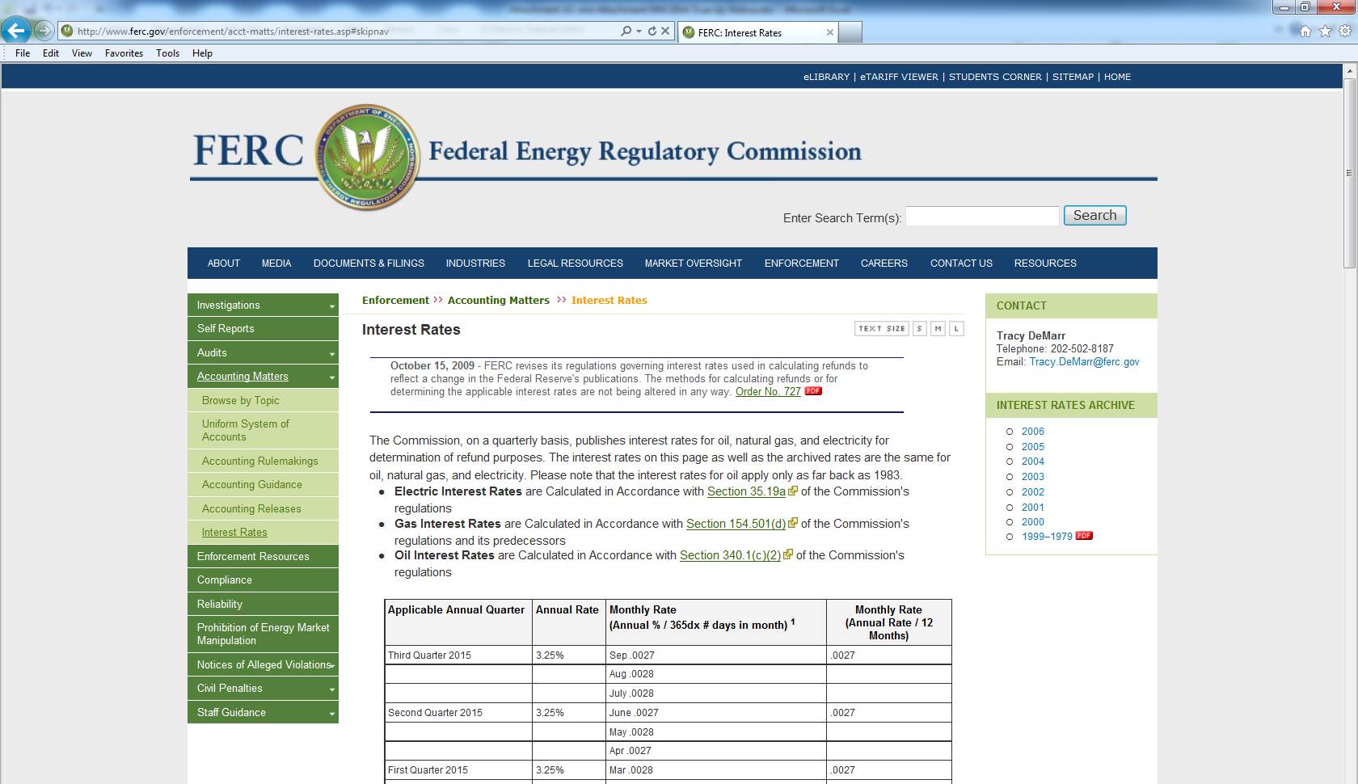
Interest Calculation
 |  |  |  | Projected | Allocation % | Allocation
Interest on Over Collections |  |  |  | Revenue | of Proj. Rev. | of Non-Zonal
 |  |  | Project | Requirement | Requirement | Interest
NSP | $35,834 |  | 1366 | $930,791 | 2.482% | $890
 |  |  | 1456 | $459,778 | 1.226% | $439
 |  |  | 1457 | $617,972 | 1.648% | $591
 |  |  | 1953 | $1,096,978 | 2.925% | $1,048
 |  |  | 279 | $4,031,377 | 10.751% | $3,853
 |  |  | 1024 | $30,197,019 | 80.531% | $28,857
 |  |  | 1458 | $64,829 | 0.173% | $62
 |  |  | 2765 | $17,236 | 0.046% | $16
 |  |  | 2109 | $5,600 | 0.015% | $5
 |  |  | 2119 | $27,809 | 0.074% | $27
 |  |  | 3104 | $48,022 | 0.128% | $46
 |  |  |  |  | 0.000% | $-

 |  |  |  | $37,497,410 | 100.00% | $35,834

 |  |  |  | $37,497,410

Interest Calculation With Quarterly Compounding
 | Att GG
 | Principal | Interest
1st Qtr 2014 | 527,459 | 4,352
2nd Qtr 2014 | 531,811 | 4,387
3rd Qtr 2014 | 536,198 | 4,424
4th Qtr 2014 | 540,622 | 4,460
1st Qtr 2015 | 545,082 | 4,497
2nd Qtr 2015 | 549,579 | 4,534
3rd Qtr 2015 | 554,113 | 4,571
4th Qtr 2015 | 558,684 | 4,609
Cumulative Interest |  | 35,834

Interest Rate FERC |  | 3.30%

