Interest Over Collect
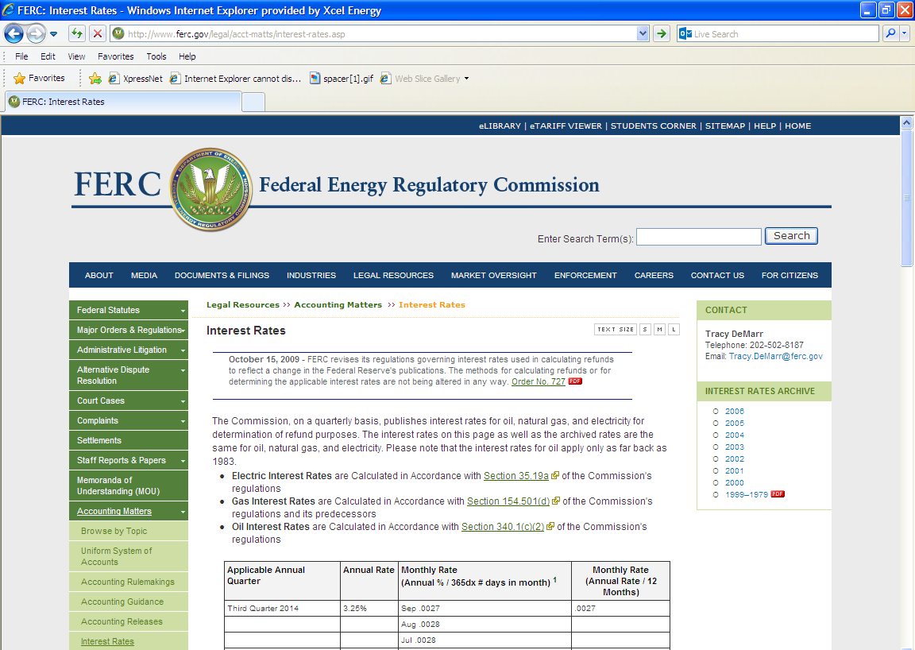
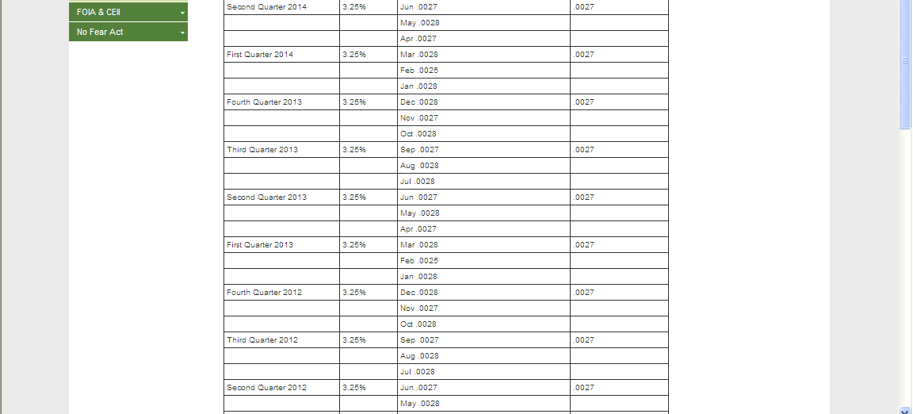
Interest Calculation
 |  |  |  | Projected | Allocation % | Allocation
Interest on Over Collections |  |  |  | Revenue | of Proj. Rev. | of Non-Zonal
 |  |  | Project | Requirement | Requirement | Interest
NSP | $456,607 |  | 1366 | $1,078,348 | 3.238% | $14,784
 |  |  | 1456 | $532,587 | 1.599% | $7,302
 |  |  | 1457 | $707,716 | 2.125% | $9,703
 |  |  | 1953 | $1,221,602 | 3.668% | $16,748
 |  |  | 279 | $5,438,440 | 16.329% | $74,561
 |  |  | 286 | $20,614,196 | 61.896% | $282,622
 |  |  | 1458 | $74,815 | 0.225% | $1,026
 |  |  | 2765 | $19,936 | 0.060% | $273
 |  |  | 2109 | $14,979 | 0.045% | $205
 |  |  | 2119 | $73,929 | 0.222% | $1,014
 |  |  | 2178 | $713,252 | 2.142% | $9,779
 |  |  | 1285 | $1,724,364 | 5.178% | $23,641
 |  |  | 2307 | $1,090,365 | 3.274% | $14,949
 |  |  |  | $33,304,529 | 100.00% | $456,607

Interest Calculation With Quarterly Compounding
 | Att GG
 | Principal | Interest
1st Qtr 2013 | 6,827,389 | 55,473
2nd Qtr 2013 | 6,882,862 | 55,923 |  | 0
3rd Qtr 2013 | 6,938,785 | 56,378
4th Qtr 2013 | 6,995,163 | 56,836
1st Qtr 2014 | 7,051,999 | 57,297
2nd Qtr 2014 | 7,109,296 | 57,763
3rd Qtr 2014 | 7,167,059 | 58,232
4th Qtr 2014 | 7,225,291 | 58,705
Cumulative Interest |  | 456,607

Interest Rate FERC |  | 3.25%

