2016 TU
CMMPA |  | Aggregate
2016 True-up Calculations
Instructions: Inputs are indicated by light yellow highlighted cells with blue bold font. For "Company Name" be sure to use
our standard abbreviations or check the last tab titled "List of ROE by TO"
Purpose: To calculate the 2016 Attachment O, GG, and MM True-up weighted for the two different ROEs in effect during 2016

Interest Rates |  | Monthly Rate | Annual Rate
Int Rate on Over-Recovery (FERC) (four decimal places) |  | 0.2921% | 3.5053%
Int Rate on Under-Recovery (ST Debt) (four decimal places) |  | 0.2921% | 3.5053%

2016 Days of the month Weightings - Schedule 9, 26 & 26A
Per FERC's 9/28/16 Order in EL14-12, the ROE was revised from 12.38% to 10.32% (plus adders as applicable)
effective 9/28/16. The table below calculates the percentage of the year 2016 applicable to each ROE. These
percentages are used to prorate the 2016 revenue requirement

12.38%
10.82%
 |  | Total Days | Days in Month
 |  | In Month | Effective
 | January | 31 | 31
 | February | 29 | 29
 | March | 31 | 31
 | April | 30 | 30
 | May | 31 | 31
 | June | 30 | 30
 | July | 31 | 31
 | August | 31 | 31
 | September 1 - 27 | 30 | 27 | 271 | 74.04%
 | September 28 - 30 |  | 3
 | October | 31 | 31
 | November | 30 | 30
 | December | 31 | 31 | 95 | 25.96%
 |  |  | 366 |  | 100.00%

Attachment O 2016 True-up calculation (Schedule 9)
 |  | 2016 Rev Req at | 2016 Rev Req at | 2016 Weighted
Calculation of 2016 Weighted Attachment O Rev Req |  | 12.38% | 10.82% | Rev Req
Net Actual 2016 Rev Req (Actual Attach O, Pg 1, Line 7)1 |  |  |  |  |  | Assure info used includes revised 2014 TU info (if applicable)
Percent of Actual Revenue Requirement at ROE |  | 74.04% | 25.96%
Weighted Net Actual 2016 Rev Requirement |  | $0 | $0 | $0

Net Actual Revenue Received 2016
Percent of Revenue Received at ROE |  | 74.04% | 25.96%
Net Revenue Received 2016 |  | $0 | $0 | $0

Total Under/(Over) Recovery 2016 |  | - | - | -

Monthly Interest Rate (Over collection = FERC rate, Under collection = LIBOR rate) |  |  |  | 0.2921%
Interest For 24 Months |  |  |  | $0

Total 2016 Attachment O True-up Under/(Over) Recovery |  |  |  | $-

Attachment GG 2016 True-up ( Schedule 26)
If you have no Attachment GG projects you do not need to complete this section
 |  | 2016 Rev Req at | 2016 Rev Req at | 2016 Weighted Actual
Calculation of Weighted Rev Req for 2016 True-up |  | 12.38% | 10.82% | Rev Req
Actual Attachment GG Rev Req for True-Up Year (Actual Attach GG, pg 2, col 10) 1
Percent of Actual Revenue Requirement at ROE |  | 74.04% | 25.96%
Weighted Actual Attachment GG Rev Req for 2016 True-Up |  | $0 | $0 | $0

Actual Attachment GG Revenues Received for 20161 |  |  |  | $0

Under/(Over) Recovery of 2016 GG Rev Req |  |  |  | $0

Monthly Interest Rate (Over collection = FERC rate, Under collection = LIBOR rate) |  |  |  | 0.2921%
Interest For 24 Months |  |  |  | $0
 |  |  |  |  |  | check - should tie to 2016 GG TU weighted ROE
Total 2016 Attachment GG True-up Under/(Over) Recovery |  |  |  | $0 |  | - | $0
1 Amount excludes True-Up Adjustment, as reported in True-Up Year projected Attachment GG, page 2, column 11.
Some TOs incl the True-up Adjustment - that is ok, but assure you are consistent for actual rev req, projected rev req and
actual revenue collected

Attachment MM 2016 True-up (Schedule 26-A)
If you have no Attachment MM projects you do not need to complete this section
 |  | 2016 Rev Req at | 2016 Rev Req at | 2016 Weighted Actual Rev Req
Calculation of Weighted Rev Req for Revised 2016 True-up |  | 12.38% | 10.82% | Rev Req
Actual Attachment MM Rev Req for True-Up Year (Actual Attach GG, pg 2, col 14) |  | $5,353,352 | $5,130,928
Percent of Actual Revenue Requirement at ROE |  | 74.04% | 25.96%
Weighted Actual Attachment MM Rev Req for 2016 True-Up |  | $3,963,622 | $1,331,989 | $5,295,611

Actual Attachment MM Revenues for 20161 |  |  |  | $4,823,684

Under/(Over) Recovery of 2016 MM Rev Req |  |  |  | $471,927

Monthly Interest Rate (Over collection = FERC rate, Under collection = LIBOR rate) |  |  |  | 0.2921%
Interest For 24 Months |  |  |  | $33,084
 |  |  |  |  |  | check - should tie to 2016 MM TU weighted ROE
Total 2016 Attachment MM True-up Under/(Over) Recovery |  |  |  | $505,011 |  | $505,011 | $0
1 Amount excludes True-Up Adjustment, as reported in True-Up Year projected Attachment MM, page 2, column 15.
Some TOs incl the True-up Adjustment - that is ok, but assure you are consistent for actual rev req, projected rev req and
actual revenue collected

Interest Rates
Instructions: Inputs are indicated by light yellow highlighted cells with blue bold font
Review FERC rates and notify MISO if any rate appears incorrect
Purpose: To calculate the 2016 average interest rates to be applied to the true-up calculations

Per Section VII.2 of the Annual True-up, Information Exchange and Challenge Procedures
- Interest on over recovery will be based on FERC's regulation 18 C.F.R 35.19a
- Interest on under recover will be based on the annual average of the one-month
LIBOR rate capped at the FERC refund interest rate
CMMPA to enter monthly LIBOR amounts and provide a cite to source of LIBOR rate
using the average rate for the nineteen (19) months preceding August of the current year
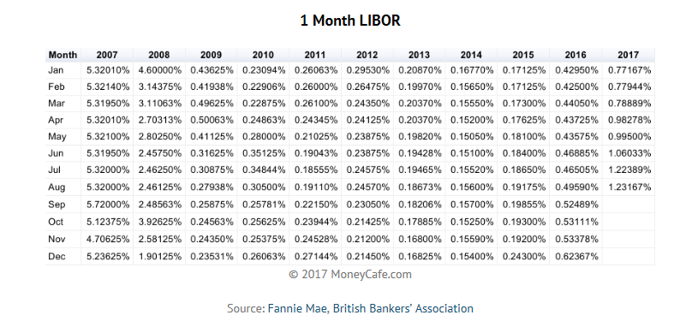
CMMPA
 |  |  | Annualized |  | Annualized
 |  | LIBOR Rate 1 | LIBOR Rate | FERC Rate | FERC Rate
1 | Jan-16 | 0.43% |  | 0.27%
2 | Feb-16 | 0.43% |  | 0.27%
3 | Mar-16 | 0.44% |  | 0.27%
4 | Apr-16 | 0.44% |  | 0.29%
5 | May-16 | 0.44% |  | 0.29%
6 | Jun-16 | 0.47% |  | 0.29%
7 | Jul-16 | 0.47% |  | 0.29%
8 | Aug-16 | 0.50% |  | 0.29%
9 | Sep-16 | 0.52% |  | 0.29%
10 | Oct-16 | 0.53% |  | 0.29%
11 | Nov-16 | 0.53% |  | 0.29%
12 | Dec-16 | 0.62% |  | 0.29%
13 | Jan-17 | 0.77% |  | 0.29%
14 | Feb-17 | 0.78% |  | 0.29%
15 | Mar-17 | 0.79% |  | 0.29%
16 | Apr-17 | 0.98% |  | 0.31%
17 | May-17 | 1.00% |  | 0.31%
18 | Jun-17 | 1.06% |  | 0.31%
19 | Jul-17 | 1.22% |  | 0.33%

 |  | 0.6533% | 3.5053% | 0.2921% | 3.5053%

 | 1 LIBOR rate is capped at the applicble FERC refund interest rate

https://www.ferc.gov/enforcement/acct-matts/interest-rates.asp

