Interest Rates
Instructions: Inputs are indicated by light yellow highlighted cells with blue bold font
Review FERC rates and notify MISO if any rate appears incorrect
Purpose: To calculate the 2016 average interest rates to be applied to the true-up calculations

Per Section VII.2 of the Annual True-up, Information Exchange and Challenge Procedures
- Interest on over recovery will be based on FERC's regulation 18 C.F.R 35.19a
- Interest on under recover will be based on the annual average of the one-month
LIBOR rate capped at the FERC refund interest rate
CMMPA to enter monthly LIBOR amounts and provide a cite to source of LIBOR rate
using the average rate for the nineteen (19) months preceding August of the current year

 |  |  |  |  | 2016 Rev Req at | 2016 Rev Req at | 2016 Weighted Actual Rev Req
Calculation of Weighted Rev Req for Revised 2016 True-up |  |  |  |  | 12.38% | 10.82% | Rev Req
Actual Attachment MM Rev Req for True-Up Year (Actual Attach GG, pg 2, col 14) |  |  |  |  | $5,353,352 | $5,130,928
Percent of Actual Revenue Requirement at ROE |  |  |  |  | 74.04% | 25.96%
Weighted Actual Attachment MM Rev Req for 2016 True-Up |  |  |  |  | $3,963,622 | $1,331,989 | $5,295,611

Actual Attachment MM Revenues for 20161 |  |  |  |  |  |  | $4,823,684

Under/(Over) Recovery of 2016 MM Rev Req |  |  |  |  |  |  | $471,927
 |  |  |  |  |  |  | 0.2921
Monthly Interest Rate (Over collection = FERC rate, Under collection = LIBOR rate) |  |  |  |  |  |  | 0.2921%
Interest For 24 Months |  |  |  |  |  |  | $33,084

Total 2016 Attachment MM True-up Under/(Over) Recovery |  |  |  |  |  |  | $505,011

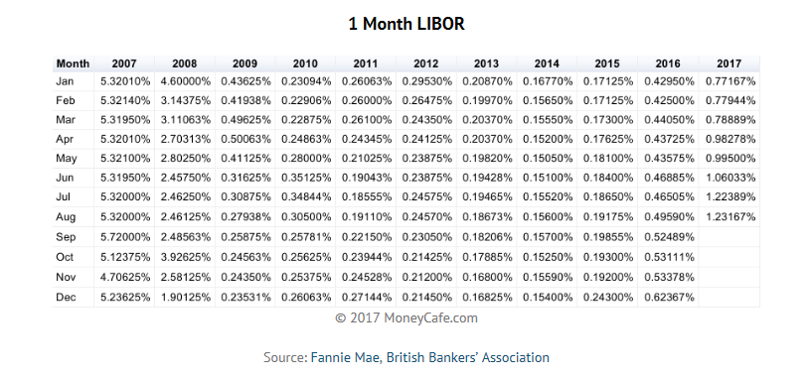
CMMPA
 |  |  | Annualized |  | Annualized
 |  | LIBOR Rate 1 | LIBOR Rate | FERC Rate | FERC Rate
1 | Jan-16 | 0.43% |  | 0.27%
2 | Feb-16 | 0.43% |  | 0.27%
3 | Mar-16 | 0.44% |  | 0.27%
4 | Apr-16 | 0.44% |  | 0.29%
5 | May-16 | 0.44% |  | 0.29%
6 | Jun-16 | 0.47% |  | 0.29%
7 | Jul-16 | 0.47% |  | 0.29%
8 | Aug-16 | 0.50% |  | 0.29%
9 | Sep-16 | 0.52% |  | 0.29%
10 | Oct-16 | 0.53% |  | 0.29%
11 | Nov-16 | 0.53% |  | 0.29%
12 | Dec-16 | 0.62% |  | 0.29%
13 | Jan-17 | 0.77% |  | 0.29%
14 | Feb-17 | 0.78% |  | 0.29%
15 | Mar-17 | 0.79% |  | 0.29%
16 | Apr-17 | 0.98% |  | 0.31%
17 | May-17 | 1.00% |  | 0.31%
18 | Jun-17 | 1.06% |  | 0.31%
19 | Jul-17 | 1.22% |  | 0.33%

 |  | 0.6533% | 3.5053% | 0.2921% | 3.5053% |  | .2921 Monthly Rate

 | 1 LIBOR rate is capped at the applicble FERC refund interest rate

https://www.ferc.gov/enforcement/acct-matts/interest-rates.asp

