WP True Up Interest
Central Minnesota Municipal PowerAgency
2015 | Attachment O Workpaper - True Up
Actual 12 Months Ended December 31, 2015

 | Historic Year Actual ATRR | $5,393,260
 | Historic Year Actual Revenue | $4,689,854
 | Historic Year True-up | $703,406

 | Interest Rate (@ 1 Month LIBOR) | 0.28%

 | Interest form Jan 1, 2015 the Dec 31, 2016 | $3,949

 | Interest Calculation With Quarterly Compounding
 |  | Principal | Interest
 | 1st Qtr 2015 | $703,406.06 | $492.38
 | 2nd Qtr 2015 | $703,898.45 | $492.73
 | 3rd Qtr 2015 | $704,391.18 | $493.07
 | 4th Qtr 2015 | $704,884.25 | $493.42
 | 1st Qtr 2016 | $705,377.67 | $493.76
 | 2nd Qtr 2016 | $705,871.43 | $494.11
 | 3rd Qtr 2016 | $706,365.54 | $494.46
 | 4th Qtr 2016 | $706,860.00 | $494.80
 | Cumulative Interest |  | $3,948.74

 | 1 Month Libor
 | Jan-15 | 0.17%
 | Feb-15 | 0.17%
 | Mar-15 | 0.17%
 | Apr-15 | 0.18%
 | May-15 | 0.18%
 | Jun-15 | 0.18%
 | Jul-15 | 0.19%
 | Aug-15 | 0.19%
 | Sep-15 | 0.20%
 | Oct-15 | 0.19%
 | Nov-15 | 0.19%
 | Dec-15 | 0.24%
 | Jan-16 | 0.43%
 | Feb-16 | 0.43%
 | Mar-16 | 0.44%
 | Apr-16 | 0.44%
 | May-16 | 0.44%
 | Jun-16 | 0.47%
 | Jul-16 | 0.47%

 |  | 0.28% | Average Rate for 19 months

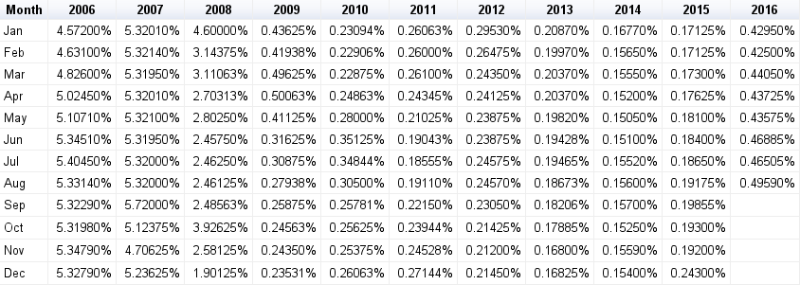
1 Month LIBOR
© 2016 MoneyCafe.com

Source: Fannie Mae, British Bankers’ Association

