2012 Interest Rates
Ameren Transmission Company of Illinois
2012 Interest Rate Backup

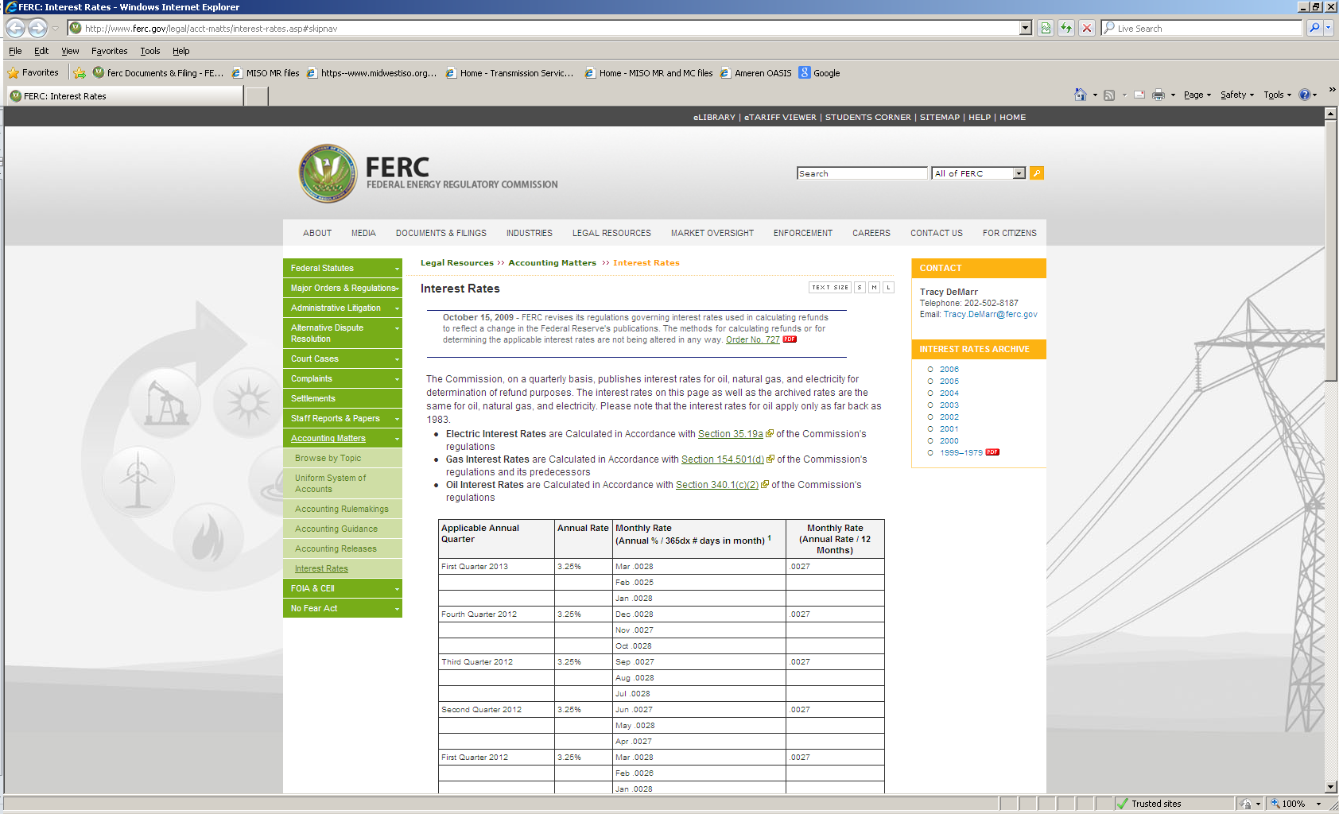

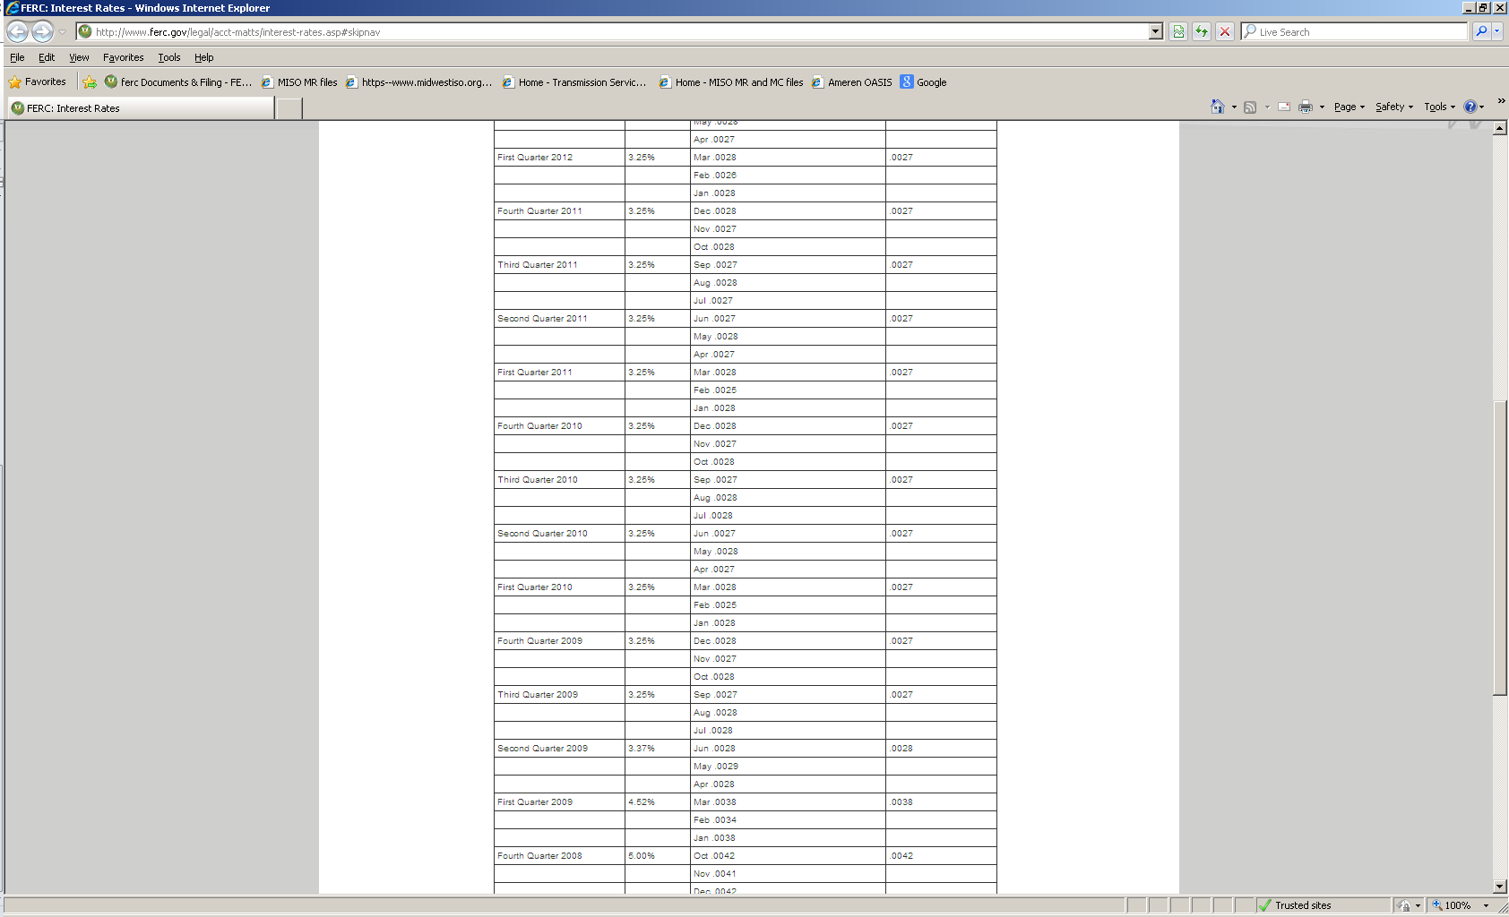

ATXI Short Term Interest Expense for 2012
Interest Rate updated through July 2013
Short Term Interest Expense for Period | $70,366.03
Avg Daily Borrowing for Period | $10,528,690.31
Weighted Average Rate | 0.668%

