Attach O page 3 line 5A
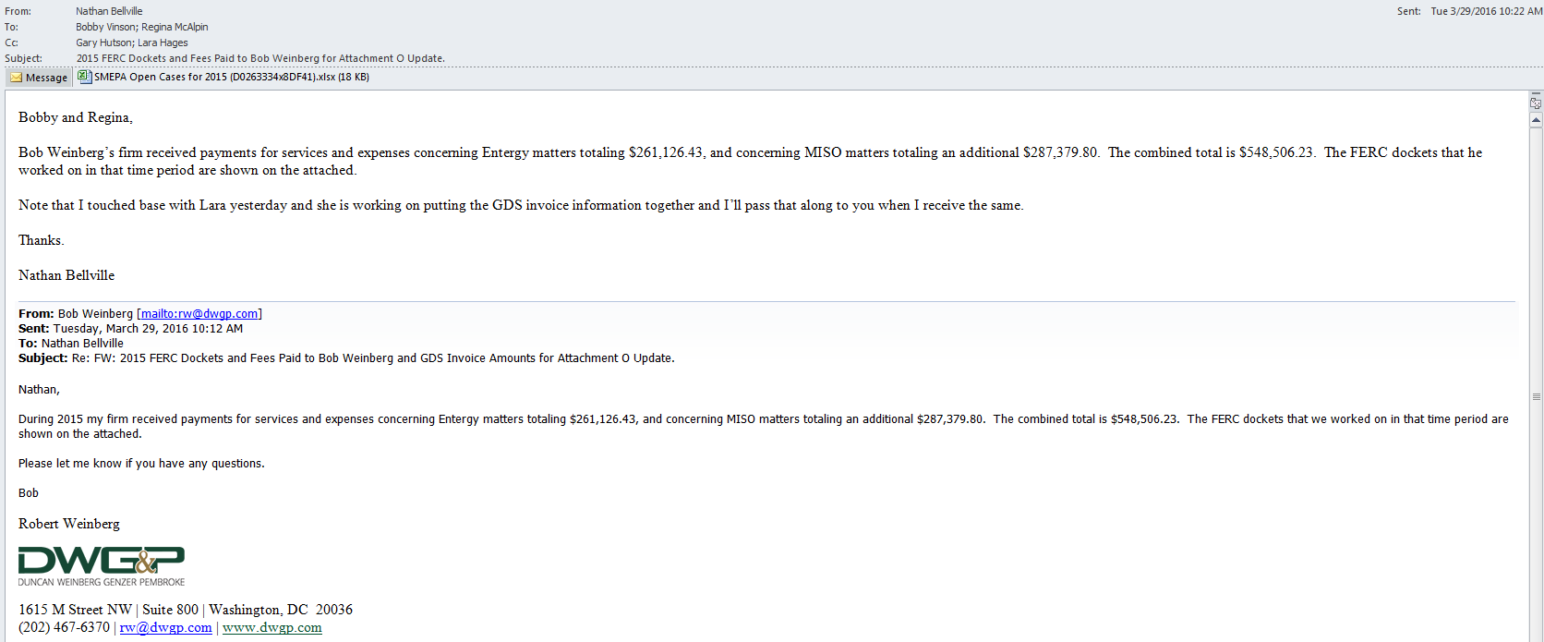
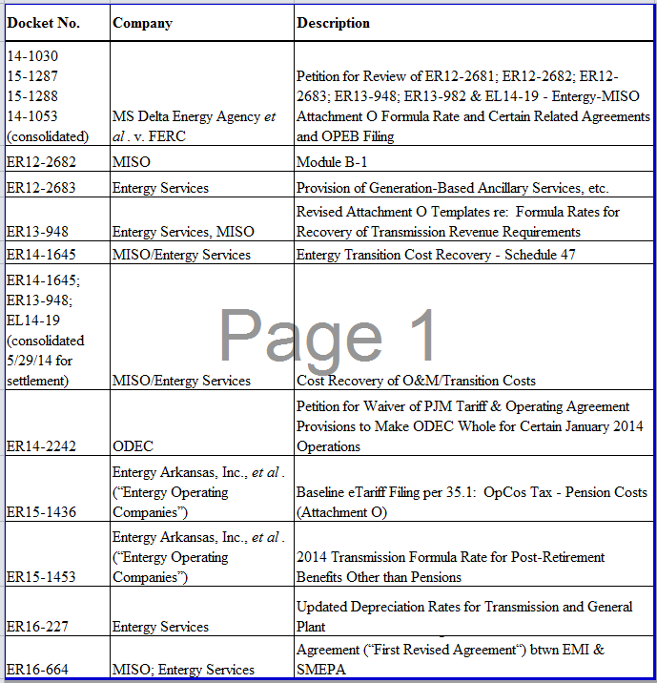
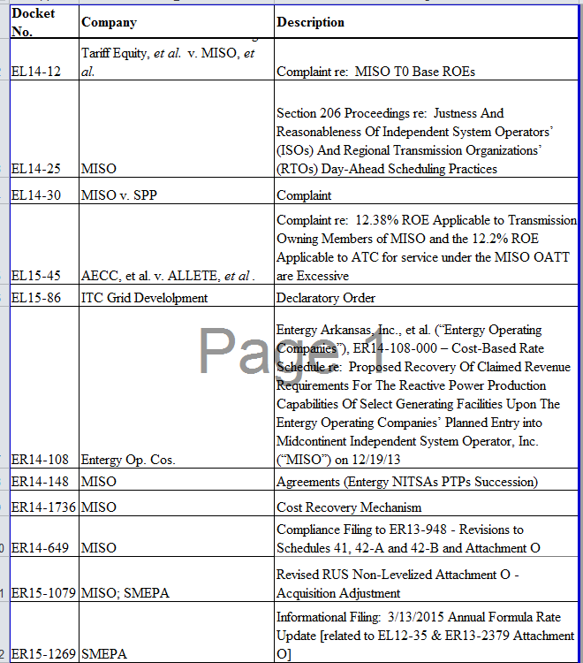
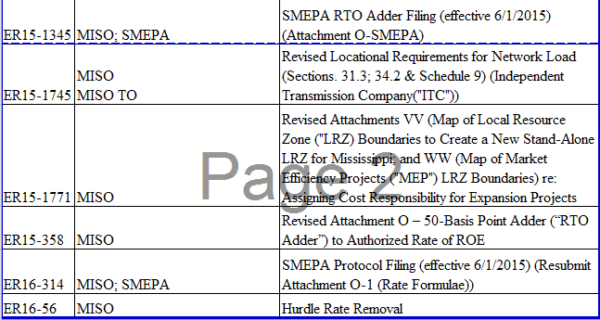
South Mississippi Electric Power | RM 3/30/16
For the Year ended 2015

Attachment O, page 3, lines 5 and 5a

EPRI Costs | 0 | recorded in account ________

Regulatory Commission Expense (provide a brief but descriptive list of charges) Indicate by yellow highlight if Transmission Related
Rate case - docket XX(Email Below) | 548,506 | recorded in account ________ | 928100 | see email below
Fuel adjustment clause docket XX | 0
Other - provide description-GDS Entergy & MISO matters | 206,337 |  | 928100
Other - provide description | - | recorded in account ________
Total Regulatory Commission Expense | 754,843

Non Safety Advertising (provide a brief but descriptive list of charges
Provide brief description- Communication Plan | 664,623 | recorded in account ________ | 930201
 | - | recorded in account ________
Provide brief description | - | recorded in account ________
Total Non-safety Advertising Expense | 664,623

Total EPRI, Reg Comm exp, & non-safety adv | 1,419,466 | Should be reported on Attachment O, page 3, line 5

Total of transmission related reg comm | $754,843 | Total of amounts highlighted in yellow above should be reported on
 |  | Attachment O, page 3, line 5a. You will need to adjust this formula to
 |  | pick up the yellow highlighted cells

If a zero is reported for any category above, please provide a brief explanation as to why.

Schedule 1
BASIC WORKSHEET
TU first becomes effective in 2013
 | RM 3/17/16

 | Schedule 1 Recoverable Expenses

1 | Company: | South Mississippi Electric Power Association
2
3 | Rate Year: | 2015
4 | True-Up Year1: | NA
5
6 | Projected or Actual: | Actual
7
8 | (a) |  | (b) |  | (c)
9
10 | Account 561.1 |  | (Form 12, Part I,Item 2 & SMEPA Trial Balance)2, | $ | 4,506,690
11 | Account 561.2 |  | Enter source Reference. i.e. (Form 1, p 321, Line 86)
12 | Account 561.3 |  | Enter source Reference. i.e. (Form 1, p 321, Line 87)
13 | Subtotal |  | (Line 10+ Line 11+ Line 12) | $ | 4,506,690
14
15 | Account 561.BA for Schedule 24 |  | Enter source Reference. i.e. (Form 1, footnote to p 320, Lines 85,86,87) 2
16
17 | Input 1: Account 561 Available excluding revenue credits |  | (Line 13 - Line 15) | $ | 4,506,690
18
19 | Input 2: True-Up Adjustment Principal & Interest Under(Over) Recovery |  | Enter source Reference. i.e. (Schedule 1 TU Adj, prior period, Line 26) 2
20
21 | Input 3: Revenue Credits (Current year Schedule 1 Revenue Credits, excluding True-Up Adjustment) |  | Enter source Reference. i.e. (Form 1, page 330,footnote)2, 3 | $
22
23 | Schedule 1 Net Expenses including True-Up Adjustment |  | (Line 17 + Line 19 - Line 21) | $ | 4,506,690
24
25 | Note 1: Utilized by forward-looking Transmission Owners. Line 21 will be supported by a True-Up Worksheet.
26
27 | Note 2: Source references may vary by company; page references are to each company's source document; analogous figures
28 | would be provided for projected year. Inputs in whole dollars.
29
30 | Note 3: Revenue collected by the Transmission Owner or ITC under this Schedule 1 for firm transactions of less than 1 year,
31 | all non-firm transactions, and any other transactions whose loads are not included in the Attachment O Zonal Rate Divisor for the zone.
32 | This revenue credit is derived from the MISO MR Settlements file by subtracting Schedule 9 revenues related to Schedule 1
33 | from the total Schedule 1 revenues, which results in the total revenue credit for Schedule 1.

