Submission Form
Formula Rate Protocol Posting and OASIS Submission Form

Form Description Complete this form if: (1) you wish to have Formula Rate Protocol materials posted to the MISO Transmission Owner (TO) Rate Data page and/or OASIS. NOTE: this prompts an exploder list notification to the Transmission Rate Notifications mailing list as required (denoted by * throughout the form) or (2) you wish to have materials posted to OASIS or (3) you have self-posted Formula Rate Protocol materials to OASIS, and would like MISO to send an exploder list notification.
Instructions Step 1. Complete fields in gray. Step 2. Click the Submit Completed Form button to draft an email auto-routed to the appropriate MISO departments. Step 3. Attach any necessary posting files to the email then click Send. Step 4. MISO will provide email notification(s) when the posting has been completed; please verify the posting has been completed as intended. NOTE: For Emergency OASIS Posting Requests, you must submit the completed form AND call the ITOC after the email is sent. (see Section E for contact information)

 |  |  |  |  |  |  |  |  |  |  |  | Submit Completed Form
A. Transmission Owner Information
MISO Transmission Owner Name |  |  | City of Columbia, MO (CWLD)
OASIS Provider ID |  |  | CWLD

B. Posting Request Information
MISO will send Exploder List Notices within 24 hours of receipt, or next normal business day.
Posting Location |  |  | Click Here for Drop Down List to Select Posting Location(s)
Request Type |  |  | TRUE | Protocol Posting* | FALSE | Exploder List Only (See Section C) |  |  |  | FALSE | Non-Protocol Posting on OASIS

C. Protocol Posting Materials Information
Check all that apply (*requires an exploder list notification) |  |  | TRUE | Annual Update* or True Up* |  |  | FALSE | Meeting Notice* or Materials
 |  |  | FALSE | Projections* |  |  | FALSE | Informational Filing*: Docket # |  |  |  | <click and enter docket # here>
 |  |  | FALSE | Other Requests (include description in the Additional Information field below)

D. Additional Information and Attachments
Include any special instructions in the Additional Information field.
Additional Information

List each attachment and fill out the columns.
Action: | Attached File Name: |  |  | Display Link Name As: |  |  |  |  | REQUIRED FOR OASIS OASIS Navigation (see example/screenshot below)

Please provide the breadcrumb link path to get to the desired OASIS posting page, not the URL as all the webpages on your company's OASIS site share the same URL path.

EXAMPLE: Below is the breadcrumb link path you would take to get to the http://www.oasis.oati.com/woa/docs/MISO/MISOdocs/MISO_Tours.xls document.
Under the OASIS Navigation Link Path column, you would enter MISO OASIS Site > System/General Information > General Information: > MISO Tours

 |  | 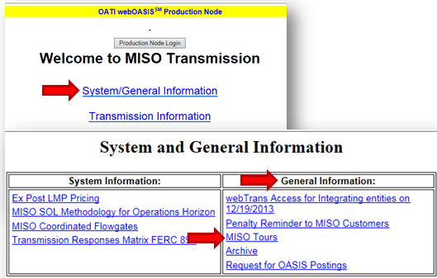

 |  |  |  |  |  |  |  |  |  |  |  | Submit Completed Form
E. Contact Information
Direct MISO TO Rate Data Page and OASIS Postings questions to: TOProtocolPosting@MISOEnergy.org
Contact the IT Operations Center (ITOC) at 866-296-6476, option 1 for emergency OASIS postings

This submission form is intended to facilitate postings required under the Formula Rate Protocols put into effect in ER13-2379, ER13-2375, and ER13-2376, as first implemented 6/1/2014. For a detailed description of the Protocol requirements, please refer directly to these dockets. Proper completion and submission of this form and related posting materials prompts MISO to post files, and send notifications to the Transmission Rate Notifications exploder list. Improper completion of this form or submission of files may lead to errors. It is the Transmission Owners responsibility to verify postings and notifications have been completed as intended. MISO cannot dig through posting materials and guess at the Transmission Owner's intent.

