Wages & Salaries
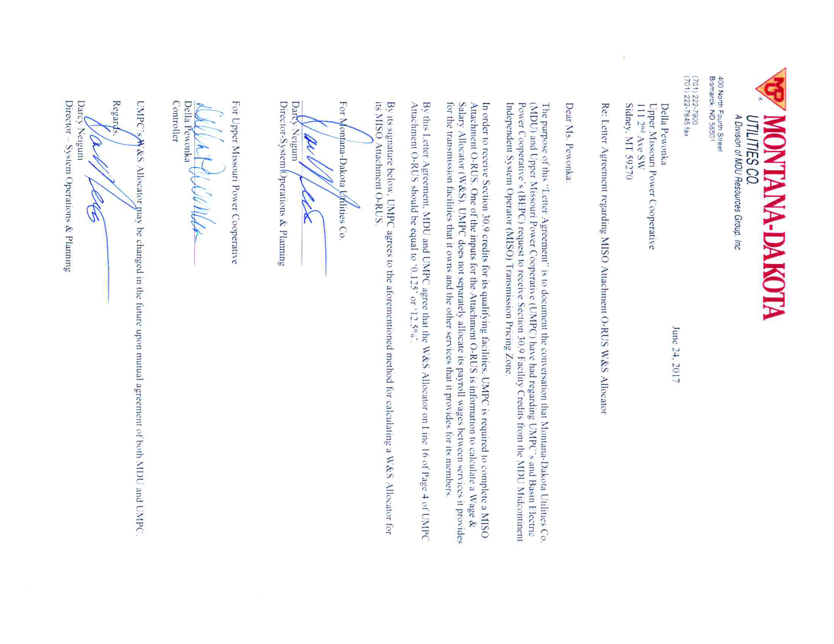
Upper Missouri
For the Year ended 2016

Attachment O, page 4, lines 12 - 15

Production | $- | Report on Attachment O, page 4, line 12
Transmisssion | 78,939 | Report on Attachment O, page 4, line 13 | Note: 12.5% agreed upon by MDU and UMPC - See letter below
Distribution | - | Report on Attachment O, page 4, line 14
Other _1/ | 552,576 | Report on Attachment O, page 4, line 15
Subtotal | $631,515
A&G |  | Not reported on Attachment O
Total | $631,515 | Does this tie to RUS Form 12 Part H, Section J line 4?
 |  | if not, please provide an explanation.

Please confirm here that the above does not contain any capitalized wages.
Please confirm here that the above does not contain any any A&G related wages
Please indicate here if your company performs work for others and where those costs and related revenues are recorded
Also please indicate what line item of the Form 12 includes these costs and related revenues

_1/ Other is to include salaries charged to administer customer accounts 901 - 916 as defined by the
USofA

